“BCS Professional”¹
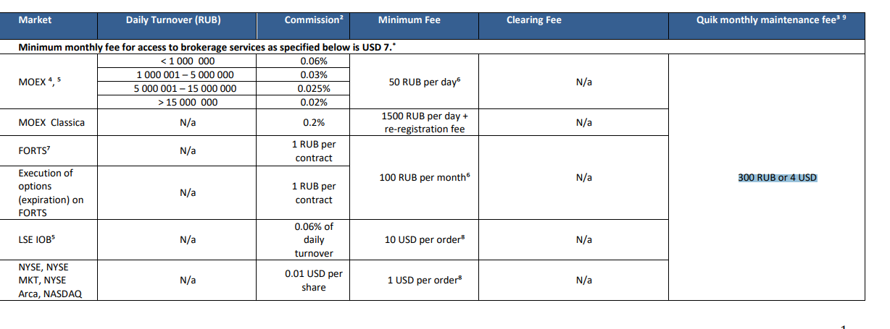
Equites |  | Price analysis scenarios
Tarriff “BCS Professional”¹
 |  | Trading scenario: A transaction in an equity intsrument on a stock exchange
 |  | RUB/USD rate | 75
 |  |  | 75
 |  | commissions calculated in USD
 |  | Asset Quantity | Amount | MOEX | MOEX Classic | NYSE, NASDAQ | LSE
 |  | 5,000.00 | 6,666.67 | 4.00 | 20.00 | 50 | 10.00
 |  | 20,000.00 | 26,666.67 | 8.00 | 53.33 | 200 | 16.00
 |  | 100,000.00 | 133,333.33 | 33.33 | 266.67 | 1,000 | 80.00
 |  | 200,000.00 | 266,666.67 | 53.33 | 533.33 | 2,000 | 160.00
 |  | Additional commissions*: | Less material, to be added further
 |  | Reregistration fee
 |  | Stump duty fee
 |  | PTM Levy
 |  | Other
 |  | Total additional commission | 0 | 0 | 0 | 0 | 0

 |  | commissions calculated in RUB
 |  | Asset Quantity | Amount | MOEX | MOEX Classic | NYSE, NASDAQ | LSE
 |  | 5,000.00 | 500,000.00 | 300 | 1,500 | 3,750 | 750
 |  | 20,000.00 | 2,000,000.00 | 600 | 4,000 | 15,000 | 1,200
 |  | 100,000.00 | 10,000,000.00 | 2,500 | 20,000 | 75,000 | 6,000
 |  | 200,000.00 | 20,000,000.00 | 4,000 | 40,000 | 150,000 | 12,000
 |  | Additional commissions*: | Less material, to be added further
 |  | Reregistration fee
 |  | Stump duty fee
 |  | PTM Levy
 |  | Other
 |  | Total additional commission | 0 | 0 | 0 | 0 | 0

 |  | Final Ratio: Commission / Proceeds
 |  | Order | Order size | MOEX | MOEX Classic | America | LSE
 |  | Small order | 500,000.00 | 0.06% | 0.30% | 0.75% | 0.15%
 |  | Large order | 20,000,000.00 | 0.02% | 0.20% | 0.75% | 0.06%

 | *If applicable | exchange fees, ECN fees, stamp duty, other fees, duties and taxes whatsoever, connected with execution of the Order and/or transaction and those are to be paid by Client additionally. Commission is charged in the currency of the account at the rate of Broker.

Navigator
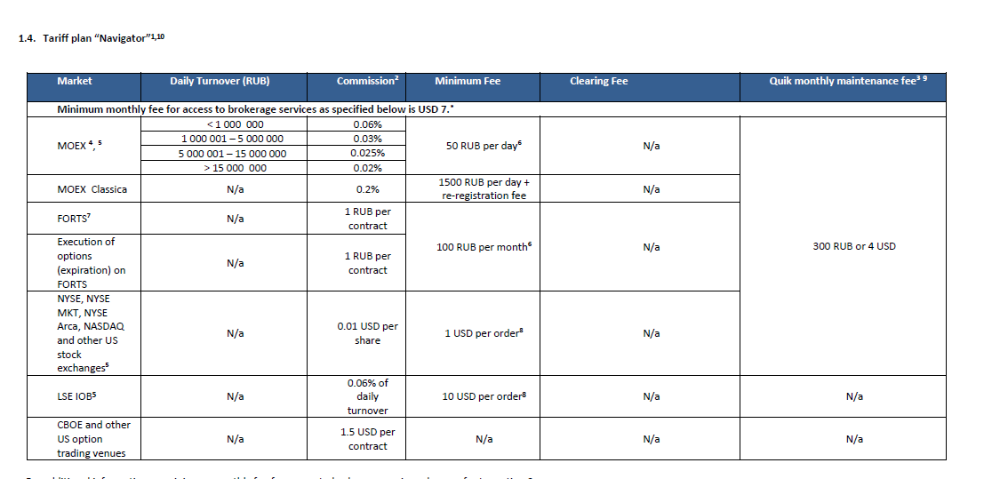
Equites |  | Price analysis scenarios
Tarriff “NavigatoR”¹
 |  | Trading scenario: A transaction in an equity intsrument on a stock exchange
 |  | RUB/USD rate | 75
 |  |  | 75
 |  | commissions calculated in USD
 |  | Asset Quantity | Amount | MOEX | MOEX Classic | NYSE, NASDAQ | LSE
 |  | 5,000.00 | 6,666.67 | 4.00 | 20.00 | 50 | 10.00
 |  | 20,000.00 | 26,666.67 | 8.00 | 53.33 | 200 | 16.53
 |  | 100,000.00 | 133,333.33 | 33.33 | 266.67 | 1,000 | 82.64
 |  | 200,000.00 | 266,666.67 | 53.33 | 533.33 | 2,000 | 165.28
 |  | Additional commissions*: | Less material, to be added further
 |  | Reregistration fee
 |  | Stump duty fee
 |  | PTM Levy
 |  | Other
 |  | Total additional commission | 0 | 0 | 0 | 0 | 0

 |  | commissions calculated in RUB
 |  | Asset Quantity | Amount | MOEX | MOEX Classic | NYSE, NASDAQ | LSE
 |  | 5,000.00 | 500,000.00 | 300 | 1,500 | 3,750 | 750
 |  | 20,000.00 | 2,000,000.00 | 600 | 4,000 | 15,000 | 1,200
 |  | 100,000.00 | 10,000,000.00 | 2,500 | 20,000 | 75,000 | 6,000
 |  | 200,000.00 | 20,000,000.00 | 4,000 | 40,000 | 150,000 | 12,000
 |  | Additional commissions*: | Less material, to be added further
 |  | Reregistration fee
 |  | Stump duty fee
 |  | PTM Levy
 |  | Other
 |  | Total additional commission | 0 | 0 | 0 | 0 | 0

 |  | Final Ratio: Commission / Proceeds
 |  | Order | Order size | MOEX | MOEX Classic | America | LSE
 |  | Small order | 500,000.00 | 0.06% | 0.30% | 0.75% | 0.15%
 |  | Large order | 20,000,000.00 | 0.02% | 0.20% | 0.75% | 0.06%

 | *If applicable | exchange fees, ECN fees, stamp duty, other fees, duties and taxes whatsoever, connected with execution of the Order and/or transaction and those are to be paid by Client additionally. Commission is charged in the currency of the account at the rate of Broker.

BCS Promo
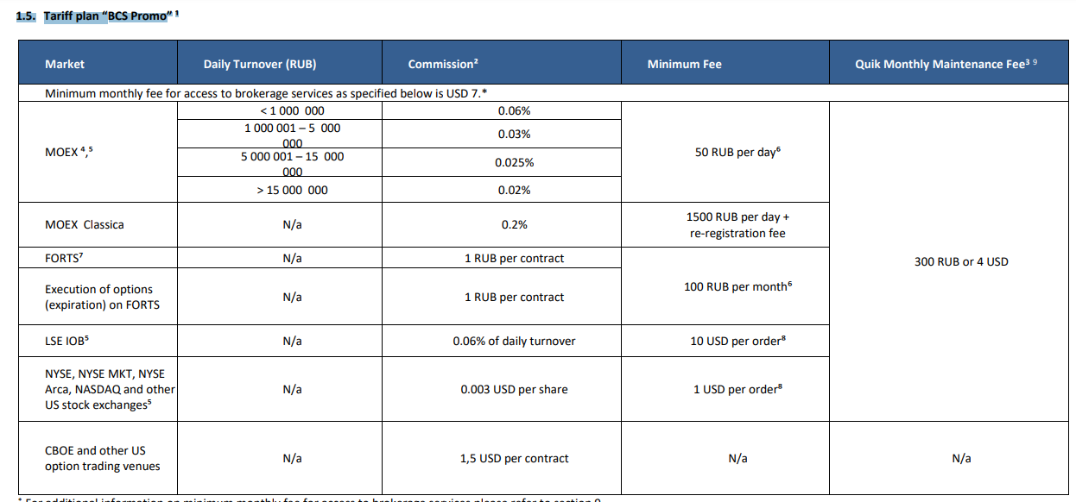
Equites |  | Price analysis scenarios
 |  | Tarriff “1.5. Tariff plan “BCS Promo”

 |  | Trading scenario: A transaction in an equity intsrument on a stock exchange
 |  | RUB/USD rate | 75
 |  |  | 75
 |  | commissions calculated in USD
 |  | Asset Quantity | Amount | MOEX | MOEX Classic | NYSE, NASDAQ | LSE
 |  | 5,000.00 | 6,666.67 | 4.00 | 20.00 | 15 | 10.00
 |  | 20,000.00 | 26,666.67 | 8.00 | 53.33 | 60 | 16.53
 |  | 100,000.00 | 133,333.33 | 33.33 | 266.67 | 300 | 82.64
 |  | 200,000.00 | 266,666.67 | 53.33 | 533.33 | 600 | 165.28
 |  | Additional commissions*: | Less material, to be added further
 |  | Reregistration fee
 |  | Stump duty fee

 |  | Other
 |  | Total additional commission | 0 | 0 | 0 | 0 | 0

 |  | commissions calculated in RUB
 |  | Asset Quantity | Amount | MOEX | MOEX Classic | NYSE, NASDAQ | LSE
 |  | 5,000.00 | 500,000.00 | 300 | 1,500.00 | 1,125 | 750
 |  | 20,000.00 | 2,000,000.00 | 600 | 4,000.00 | 4,500 | 1,200
 |  | 100,000.00 | 10,000,000.00 | 2,500 | 20,000.00 | 22,500 | 6,000
 |  | 200,000.00 | 20,000,000.00 | 4,000 | 40,000.00 | 45,000 | 12,000
 |  | Additional commissions*: | Less material, to be added further
 |  | Reregistration fee
 |  | Stump duty fee
 |  | PTM Levy
 |  | Other
 |  | Total additional commission | 0 | 0 | 0 | 0 | 0

 |  | Final Ratio: Commission / Proceeds
 |  | Order | Order size | MOEX | MOEX Classic | America | LSE
 |  | Small order | 500,000.00 | 0.06% | 0.30% | 0.23% | 0.15%
 |  | Large order | 20,000,000.00 | 0.02% | 0.20% | 0.23% | 0.06%

 | *If applicable | exchange fees, ECN fees, stamp duty, other fees, duties and taxes whatsoever, connected with execution of the Order and/or transaction and those are to be paid by Client additionally. Commission is charged in the currency of the account at the rate of Broker.

Intern Exchange
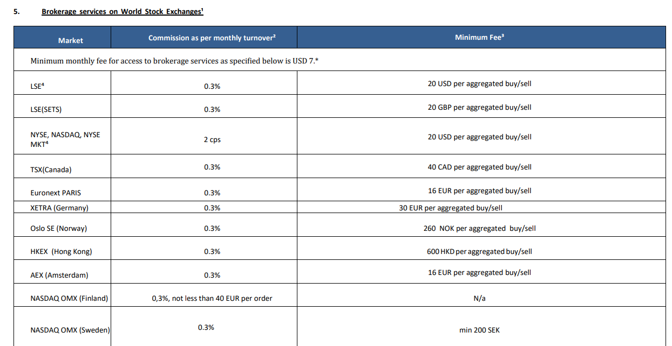
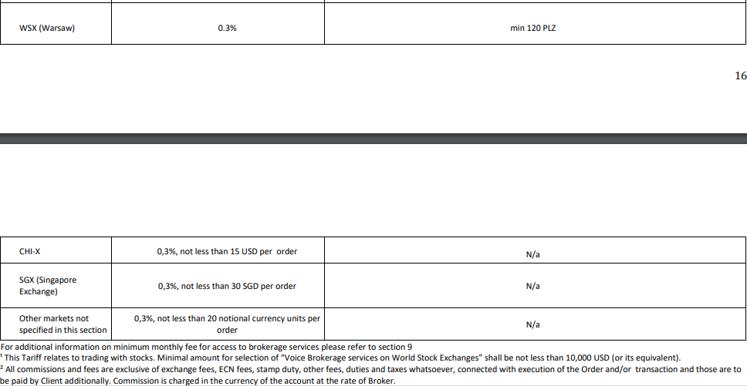
Equites | Price analysis scenarios
 | “Tarriff plan “World Stock Exchanges”

 | Trading scenario: A transaction in an equity intsrument on a stock exchange
 | RUB/USD rate | 72.6022
 |  |  |  |  | 31.60 | 17.92 | 33.60 | 29.00 | 76.98 | 44.80 | 22.25 | 28.70 | - | 21.97
 | Exchange Rate |  | USD | USD | CAD | EUR | EUR | NOK | NKD | EUR | SEK | PLZ | USD | SGD
 |  |  | 72.6022 | 72.6022 | 0.79 | 1.12 | 1.12 | 0.111538 | 0.128307 | 1.12 | 0.111258 | 0.239125 |  | 0.732329
 | commissions calculated in USD |  | 20 | 20 | 40 | 16 | 30 | 260 | 600 | 40 | 200 | 120 | 15 | 30
 | Asset Quantity | Amount | LSE | NYSE, NASDAQ, NYSE, MKT | TSX (Canada) | Euronex, Paris, AEX Amsterdam | XETRA | Oslo SE | NKEX | NASDAQ OMX (Finland) | NASDAQ OMX (Sweden) | WSX Warsaw | CHI-X | SGX, Singapore
 | 5,000.00 | 5,000 | 20.00 | 100.00 | 31.60 | 17.92 | 33.60 | 29.00 | 76.98 | 44.80 | 22.25 | 28.70 | 15.00 | 21.97
 | 20,000.00 | 20,000 | 60.00 | 400.00 | 60.00 | 60.00 | 60.00 | 60.00 | 76.98 | 60.00 | 60.00 | 60.00 | 60.00 | 60.00
 | 100,000.00 | 100,000 | 300.00 | 2,000.00 | 300.00 | 300.00 | 300.00 | 300.00 | 300.00 | 300.00 | 300.00 | 300.00 | 300.00 | 300.00
 | 2,000,000.00 | 2,000,000 | 6,000.00 | 40,000.00 | 6,000.00 | 6,000.00 | 6,000.00 | 6,000.00 | 6,000.00 | 6,000.00 | 6,000.00 | 6,000.00 | 6,000.00 | 6,000.00
 | Additional commissions*: | Less material, to be added further
 | Reregistration fee
 | Stump duty fee
 | PTM Levy
 | Other
 | Total additional commission |  | 0 | 0 | 0 | 0 | 0 | 0 | 0 | 0 | 0 | 0 | 0 | 0
 |  |  | 0.30% | 2.00% | 0.30% | 0.30% | 0.30% | 0.30% | 0.30% | 0.30% | 0.30% | 0.30% | 0.30% | 0.30%

 | Final Ratio: Commission / Proceeds
 | Order | Order size | LSE | NYSE, NASDAQ, NYSE, MKT | TSX (Canada) | Euronex, Paris, AEX Amsterdam | XETRA | Oslo SE | NKEX | NASDAQ OMX (Finland) | NASDAQ OMX (Sweden) | WSX Warsaw | CHI-X | SGX, Singapore
 | Small order | 500,000.00 | 0.40% | 2.00% | 0.63% | 0.36% | 0.67% | 0.58% | 1.54% | 0.90% | 0.45% | 0.57% | 0.30% | 0.44%
 | Large order | 20,000,000.00 | 0.30% | 2.00% | 0.30% | 0.30% | 0.30% | 0.30% | 0.30% | 0.30% | 0.30% | 0.30% | 0.30% | 0.30%

Voice Trading
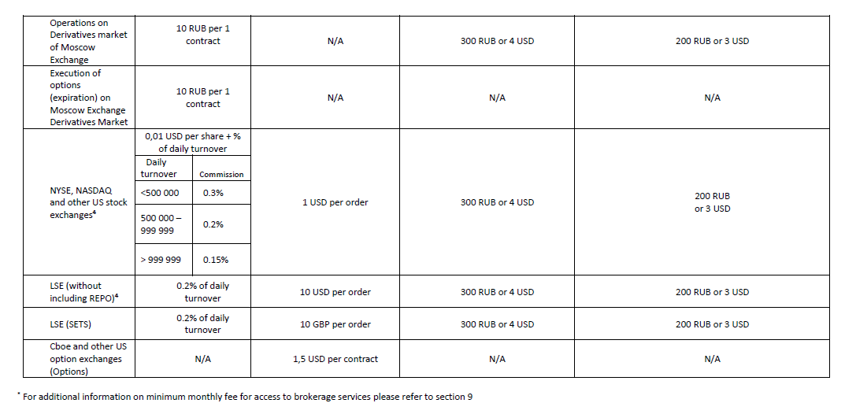
Equites |  | Price analysis scenarios
 |  | Tarriff “Tariff plan “Voice trading”

 |  | Trading scenario: A transaction in an equity intsrument on a stock exchange
 |  | RUB/USD rate | 75

 |  | commissions calculated in USD
 |  | Asset Quantity | Amount | MOEX | NYSE, NASDAQ, other | LSE
 |  | 100.00 | 133.33 | 20.00 | 1.40 | 10
 |  | 5,000.00 | 6,666.67 | 20.00 | 70.00 | 13
 |  | 20,000.00 | 26,666.67 | 53.33 | 280.00 | 53
 |  | 100,000.00 | 666,666.67 | 1,333.33 | 2,333.3 | 1,333
 |  | 1,000,000.00 | 1,333,333.33 | 2,666.67 | 12,000.00 | 2,667
 |  | Additional commissions*: | Less material, to be added further
 |  | Reregistration fee
 |  | Stump duty fee
 |  | PTM Levy
 |  | for small order
 |  | Other
 |  | Total additional commission | 0 | 0 | 0 | 0

 |  | commissions calculated in RUB
 |  | Asset Quantity | Amount | MOEX | NYSE, NASDAQ, other | LSE
 |  | 100.00 | 10,000.00 | 1,500.00 | 105 | 750
 |  | 5,000.00 | 500,000.00 | 1,500.00 | 5,250 | 1,000
 |  | 20,000.00 | 2,000,000.00 | 4,000.00 | 21,000 | 4,000
 |  | 500,000.00 | 50,000,000.00 | 100,000.00 | 175,000 | 100,000
 |  | 1,000,000.00 | 100,000,000.00 | 200,000.00 | 900,000 | 200,000
 |  | Reregistration fee | Less material, to be added further
 |  | Stump duty fee
 |  | PTM Levy
 |  | for small order
 |  | Other
 |  | Total additional commission | 0 | 0 | 0 | 0

 |  | Final Ratio: Commission / Proceeds
 |  | Order | Order size | MOEX | NYSE, NASDAQ, other | LSE
 |  | Small order | 500,000.00 | 15.00% | 1.05% | 7.50%
 |  | Large order | 100,000,000.00 | 0.20% | 0.90% | 0.20%

 | *If applicable | exchange fees, ECN fees, stamp duty, other fees, duties and taxes whatsoever, connected with execution of the Order and/or transaction and those are to be paid by Client additionally. Commission is charged in the currency of the account at the rate of Broker.

